Requirements
Req ID | Req Statement | Line (From Project Description)
R1 | The system shall provide for authenticated login to the ShareList app.
R1.1 | Register. | 40
R1.2 | Login.
R1.3 | Log Off.
R1.4 | Reset password.
R2 | The system shall provide admins the ability to:
R2.1 | Add tasks. | 41,42
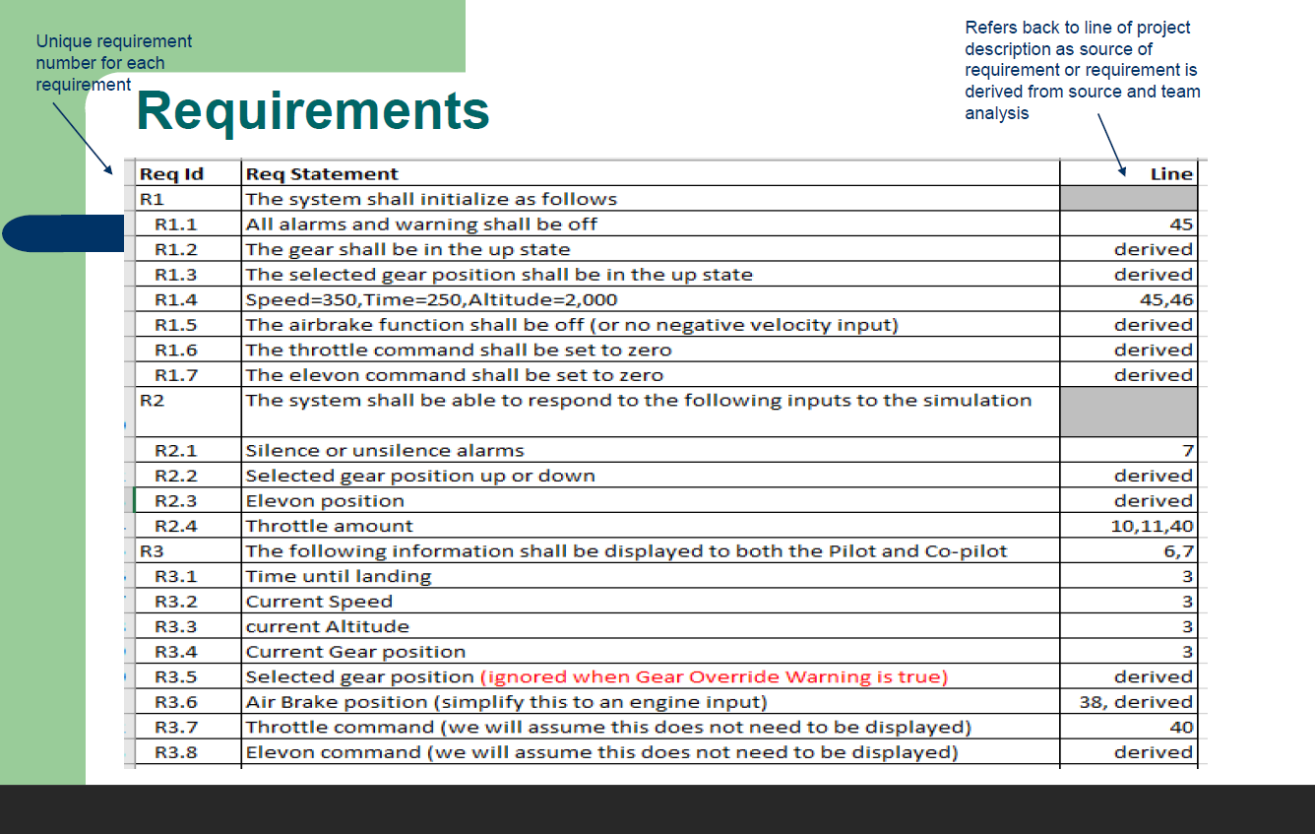
R2.2 | Remove tasks.
R2.3 | Edit tasks.
R2.4 | Assign tasks.
R2.5 | Add users to group. | 46,47
R2.6 | Remove users from the group. | 34,35
R2.7 | Add new Admins to group. | 18,47
R2.8 | Delete group | 48,49
R2.9 | Edit group. | 46,47
R3 | The system shall provide users/admins the ability to:
R3.1 | Mark task as completed. | 44,45
R3.2 | Create groups. | 46,47
R4 | The system shall provide the ability to search by keywords. | 43
R5 | The system shall provide tasks the ability to:
R5.1 | Be visible to all members in that group. | 22,23
R5.2 | Have users assigned to it. | 41,42
R5.3 | Have assigned users mark it as completed. | 44,45
R6 | The system shall provide tasks the following properties: start time, completion time, due date, time spent, title, description, users assigned | 50
R7 | The sytem shall provide users the ability to create groups, and have admin status when they do. | 46,47
R8 | The system shall provide a database used for storing information related to tasks, groups, users. | 59
R9 | The system shall provide wireless resources used for syncing between each user's device and the database. | 60
R10 | The system shall provide a group summary function, which will accomplish: | 50
R10.1 | Calculating and reporting the tasks completed. | 52
R10.2 | Calculating and reporting the in-progress tasks. | 53
R10.3 | Calculating and reporting the tasks not completed by due date. | 54
R11 | The system shall provide an update function which will update the UI, check for changes within the app data, and sync the current tasks with the database. | 55,56

